Sheet1
COMPSYS301
Design Meeting: Group 14

Date | Wednesday 16 September 2026
Time | 7:00PM - 8:00PM
Apologies | None. Present: Lucas, Abder, Harold, Ross
Goals, Objectives, Discussion Items | 1. Shunt resistor selection for the phototransistor (TEMT6200) sensor circuit. - Compared different measured V_sense data. Values differed between members because the ambient brightness was not the same at the times each of us tested. - Agreed to judge the candidates on the worst case, which is the data set with the highest V_sense measured over a white surface. - Candidates considered: 22k, 27k, 33k, checked against the 3.7 V OPAMP input limit. 2. Software split for the demo (follow a straight line, then perform a turn). - Agreed to break the demo code into separate functions so the three of us can work in parallel, then integrate. - Assigned owners and a deadline for each function. | 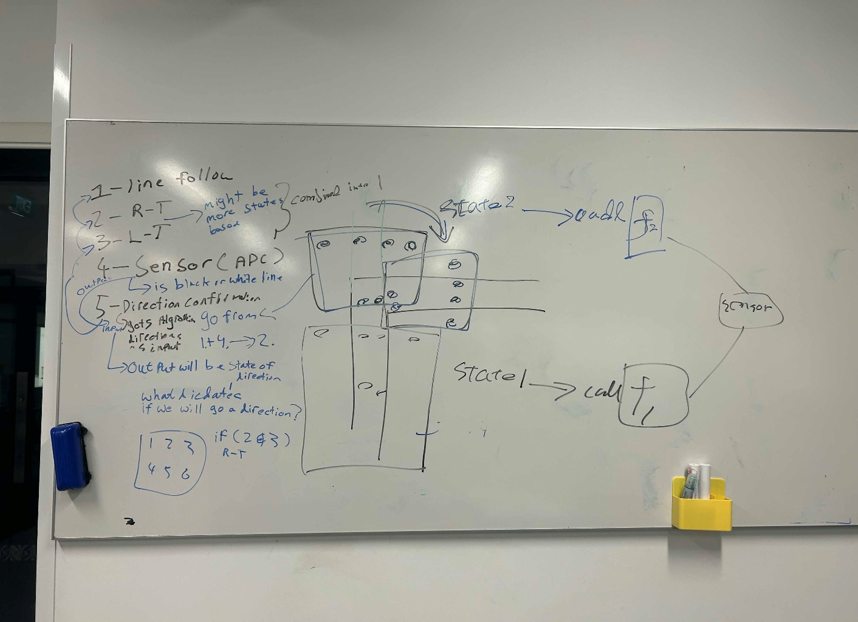
Achievements, Conclusions, Action Points | 1. Selected 22k for the shunt resistor. 33k was rejected because, once resistor tolerance spread is included, V_sense over white can reach the 3.7 V limit. Sweep data kept in individual logbooks and in the repo (github.com/Wing-Hin/COMPSYS301). 2. Demo code split into functions with owners: - Lucas: turning implementation. - Abder: line following. - Harold: per-sensor ADC read and white/black decision. 3. All three functions due Tuesday 22 September 2026. 4. Integration and track testing to follow once the three functions are in.
Next Meeting | Tuesday 22 September 2026, 4:00PM - integrate the three functions and test on the track

